Definitions
Units Lookup Table
Definitions
The unit lookup table is used primarily to provide descriptive information for the unit and identify the units’ “drawdown group” membership within the SitStat resource drawdown tool. The additional fields are used for further identification and references in the SA Analytics and Performance tools. The client should identify the desired unit resource groups to use with the drawdown tool and assign their units to these groups in this table. |  |  |  |  |  | How will this information appear in the Intterra SitStat or Performance Tools? | Available Resources Group Examples
Field Name | Data Type | Description | Impact | NULL Allowed | Sample Data
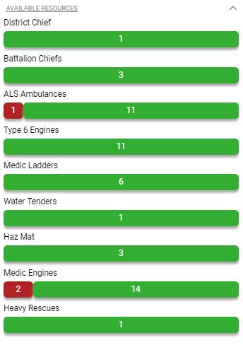
Agency | Char | The client agency identifier to which the unit is assigned. | Conditional! For single agency client configuration this field is not required. For client's displaying multiple agencies, this value IS required to allow differentiation between potential identical unit ids. | No | ABC FD
Unit ID | Char (50) | The unique CAD and/or RMS unit identifier used to join the lookup table data to the unit data in the SitStat and Analytics data records. | REQUIRED! The unit ID, combined with the agency id, is the unique identifier for all unit records. Each unit ID value MUST be unique within each Agency. In situations where a client is providing unit data for both SitStat (CAD) and Analytics (RMS) data feeds the unit id is expected to be the same identifier for both feeds. | No | E034
Name | Char (50) | The unit's primary display label name; this field value is used for all unit references in all tools and reports, if provided. | Optional. If not provided, the 'unitId' value will be used by default. | Yes | E34
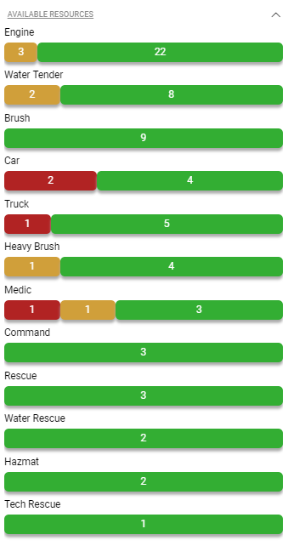
Unit Description | Char (255) | A general description field used for a local unit type definition or a description of the vehicle. | Optional. If not provided, any references to this field will return a NULL value and remain blank. | Yes | 1998 La France Engine | This detail will appear in the SitStat monitor's unit information panel when a unit is selected
Station ID | Char | The unit's assigned home station identifier. | REQUIRED! This field value is used to link the unit to its default assigned home station to provide a station view in the SitStat Monitor. This value must match an exisiting stationId and with the same agency value in the 'station' lookup table. | No | STN01 | 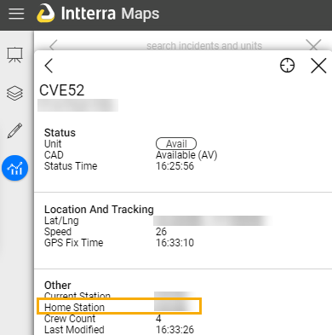
Apparatus Type Code | Char (50) | The NFIRS 5.0 Module 9 Apparatus or Resource unit type classification code. (see the 'NFIRS Unit Type Codes' sheet in this document) | Conditional! This field value is used in the SitStat module to provide the capability to filter by unit type and to select the unit display symbol. If not provided, filtering by unit type is not possible and a default symbol will be used to represent the unit. | Yes | 11
EMS Category | Char (50) | EMS capability identification code: 0 - None EMS Capability 1 - ALS Capable 2 - BLS capable | Optional. If not provided, any references to this field will return a NULL value and remain blank. | Yes | 1 | This value is currently not displayed in Sitstat. The field is planned for future enhancements.
Crew Count | Int | Numerical value of the standard crew count for the unit | Optional. If not provided, any references to this field will return a NULL value and remain blank. | Yes | 4
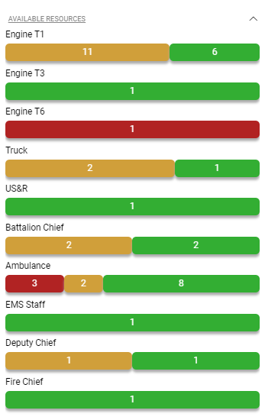
is Filter? | boolean | This value determines if the unit's indiviual responses will be available to review in the Unit Response Performance tool, which is either fed by RMS data or Historical CAD data. | Conditional True - the unit is available in the Unit dropdown of the Unit Response Performance tool. False - the unit will not be available in the dropdown. Null will assumed to be false | Yes | TRUE
Show Drivetime? | boolean | This value determines whether a unit will receive a drivetime polygon when the unit's status is Available or in Station. The drivetime polygon is shown as a shaded area covering the approximate distance the unit is able to respond within the specified time frame. The default time frames are 4 and 7 minute drive times. | Optional. True - the unit will receive a drivetime polygon in the SitStat Monitor. False - the unit will not receive a drivetime polygon in the SitStat Monitor. | Yes | TRUE | 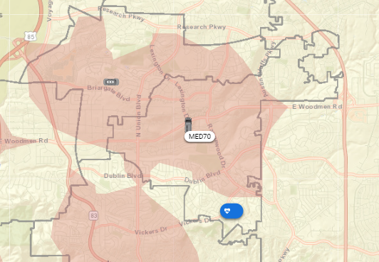
Available Resource Group | Char | The client specified custom available resource group in which the unit's status should be tracked. | Optional. If no value is provided the unit will not be included in any available resource group counts. | Yes | Engine | Please see the examples above and to the right.

